Connected Services
memo | ID | Step | Verification items | detail | 전압 | 전원 | Execution Procedure | Expected value | 결과 | Version | 비고 | Evidence
[BLTN_CAM-Function-021] Built-in Cam Information Transmission (SOME/IP)
 | CCS_001 | 1 | SOME/IP related to built-in cam information transmission while driving | Check BLTN_CAM ↔ CCU SOME/IP connection status | 12 V | B+ | ▪ IGN ON ▪ Enter Built-in Cam Mode ▪ Play Random Driving Continuous Video | ▪ Built-in Cam → Transmits CCU SwInfo, Status information (Verified by checking SOME/IP communication status) : Video list displayed normally, recorded video plays normally | Pass | #7 |  | 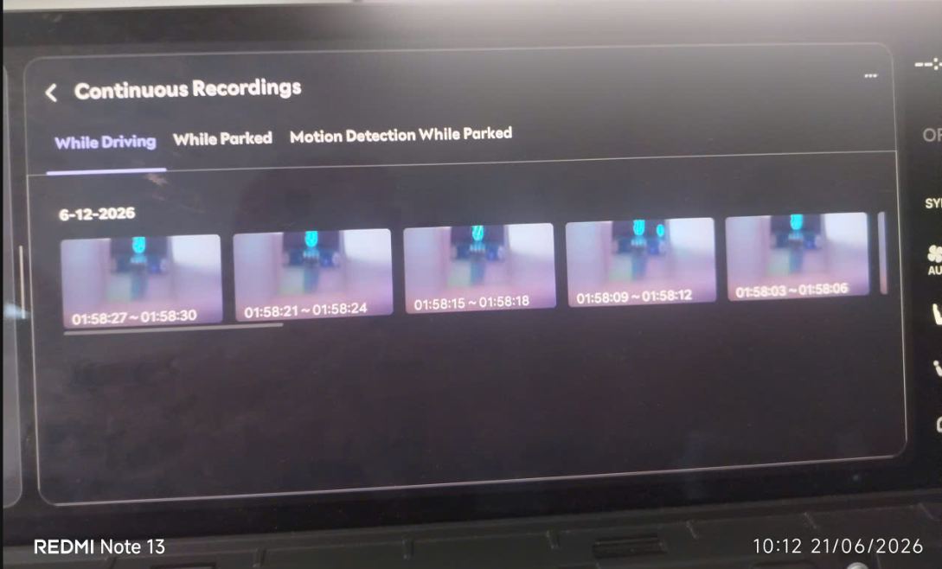 O
 | CCS_003 | 1 | [BLTN_CAM_STAT_PE_00_200ms] BLTN_CAM_Prk_Oprable_Time - CCS function | Operable time updated upon network wake-up during parking recording | 12 V | B+ | ▪ Power Bank Linkage Function Tab T/C: BAT_014 Execute | ▪ T/C: BAT_014 Satisfied with expected results
[Parking Event Impact Recording] CCS Function (Vehicle Verification) Built-in cam parking impact detection, storage, notification, and file transfer service | CCS_005 | 1 | [Parking Event Impact Recording] CCS Function (Vehicle Verification) | Check BLTN_CAM_PEV_Recorded signal | 12 V | B+ | ▪ Built-in Cam Main Screen ▪ [Settings] - [Recording] - [Recording While Parked] - Turn on Parking Event and Event Notification Settings ▪ Set Parking Event Sensitivity to 3 (Medium) ▪ Enter Parking Recording ▪ Balarm_BglrAlrmCurrentSta = 0x2(Arm) ▪ Enable Impact Event | ▪ From the time recording is complete until video information transmission is complete (max. 5 minutes) : BLTN_CAM_PEV_Recorded = 0x02 (Park Event Recorded) | Pass | #7 |  | O
 |  | 2 |  | Check if to wake up when proceeding from sleep state | 12 V | B+ | ↑ ▪ Enter Network Sleep ▪ Authorize Shock Event | ▪ From the time recording is complete until video information transmission is complete (max. 5 minutes) : BLTN_CAM_PEV_Recorded = 0x02 (Park Event Recorded) ▪ Enter network sleep after completion | Pass | #7 |  | O
 |  | 3 |  | Confirm transmission of impact recording video via BlueLink app | 12 V | B+ | ↑ ▪ Check notifications in the BlueLink app | ▪ BlueLink app push notification triggered ▪ Downloaded video plays normally (Additionally confirmed impact count, SD card status displayed as good, and available parking recording time displayed correctly)
 |  | 4 | [Impact recording during parking motion recording] CCS function (Vehicle verification) | Check BLTN_CAM_PEV_Recorded signal | 12 V | B+ | ▪ Built-in Cam Main Screen ▪ [Settings] - [Recording] - [Recording While Parked] - Turn ON Parking Motion, Parking Event, and Event Notification Settings ▪ Set Parking Event Sensitivity to 3 (Medium) ▪ KEY OFF → Enter Parking Motion Recording ▪ Balarm_BglrAlrmCurrentSta = 0x2(Arm) ▪ Enable Impact Event | ▪ From the time recording is complete until video information transmission is complete (max. 5 minutes) : BLTN_CAM_PEV_Recorded = 0x02 (Park Event Recorded)
 |  | 5 |  | Check if to wake up when proceeding from sleep state | 12 V | B+ | ↑ ▪ Enter Network Sleep ▪ Authorize Shock Event | ▪ From the time recording is complete until video information transmission is complete (max. 5 minutes) : BLTN_CAM_PEV_Recorded = 0x02 (Park Event Recorded) ▪ Enter network sleep after completion
 |  | 6 |  | Confirm transmission of impact recording video via BlueLink app | 12 V | B+ | ↑ ▪ Check notifications in the BlueLink app | ▪ BlueLink app push notification triggered ▪ Downloaded video plays normally (Additionally confirmed impact count, SD card status displayed as good, and available parking recording time displayed correctly)
 |  | 17 |  | Set Event CCS notification function to ON, set event recording time to -10s to +10s, and authorize continuous parking events. | 12 V | IGN | ▪ Impact detected at 2-second intervals for 1 minute under conditions where parking event recording is enabled | ▪ No slowdowns, no reboots, and no missing recording files ▪ Impact count values ​​match the recorded video | Pass | #7 |  | 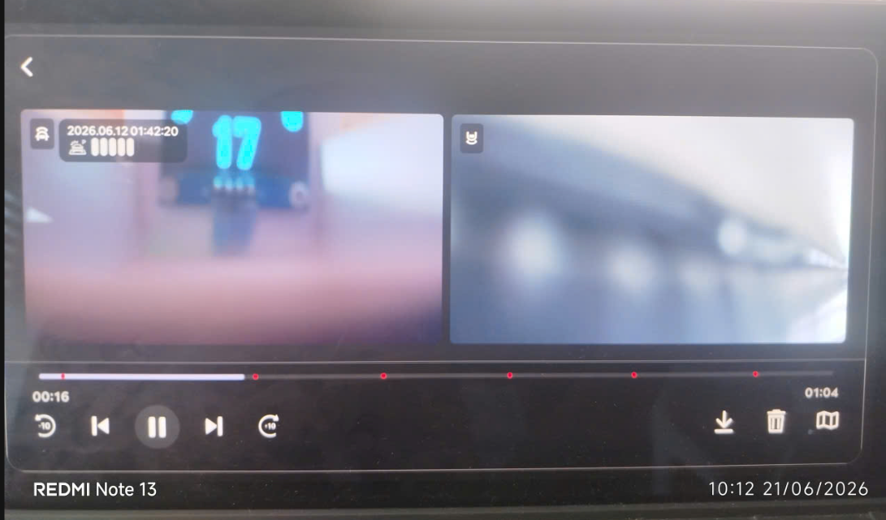 | time vào OWP lâu
 |  | 18 |  | Set Event CCS notification function to ON, set event recording time to -15s to +15s, and authorize continuous parking events. | 12 V | IGN | ▪ Impact detected at 2-second intervals for 1 minute under conditions where parking event recording is enabled | ▪ No slowdowns, no reboots, and no missing recording files ▪ Impact count values ​​match the recorded video | Pass | #7 |  | 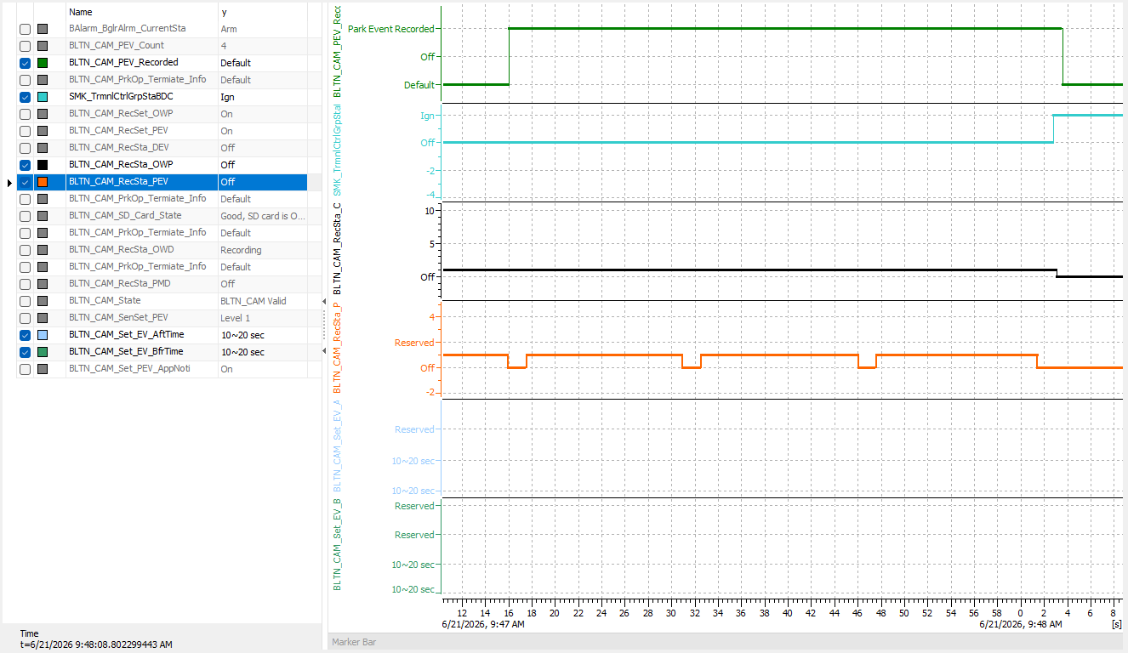 | time vào OWP lâu
 |  | 19 |  | Set Event CCS notification function to ON, change event recording time to -20s to +20s, and authorize continuous parking events. | 12 V | IGN | ▪ Impact detected at 2-second intervals for 1 minute under conditions where parking event recording is enabled | ▪ No slowdowns, no reboots, and no missing recording files ▪ Impact count values ​​match the recorded video | Pass | #7 |  | 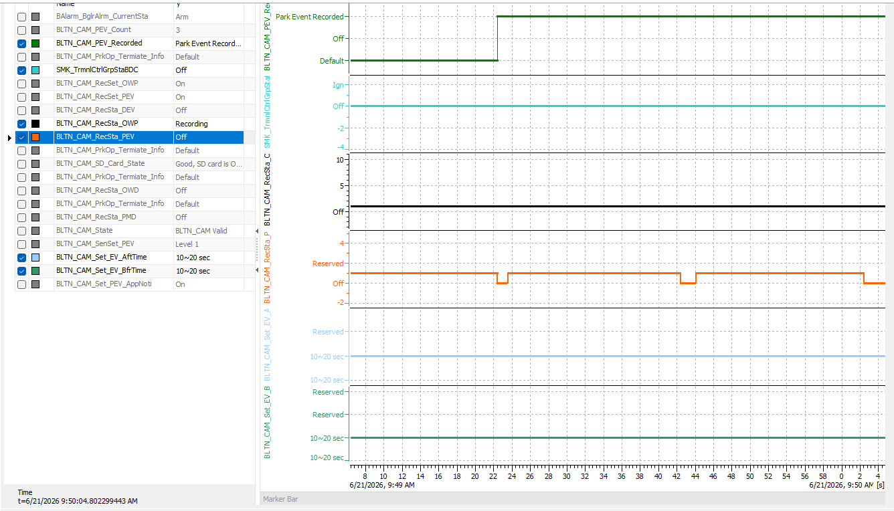 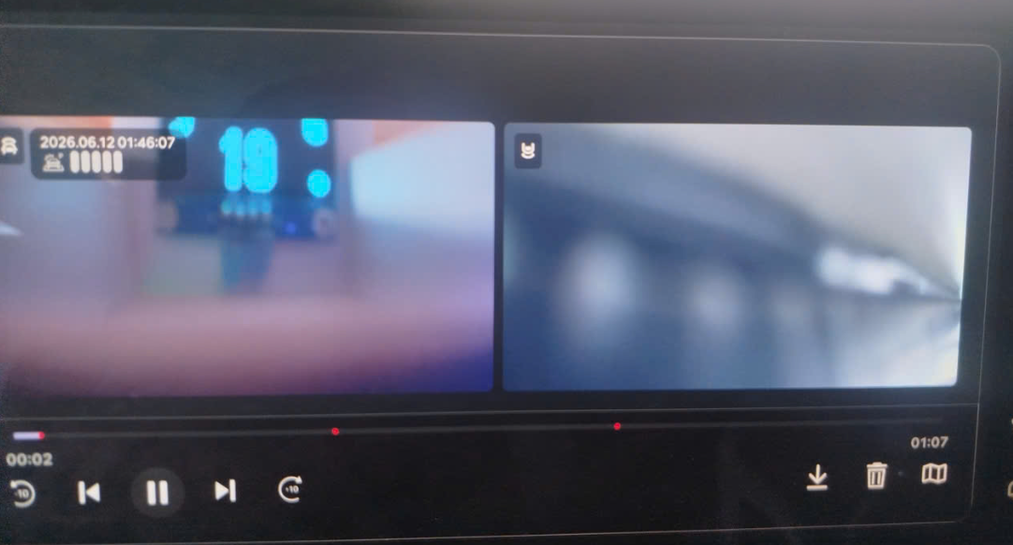 | time vào OWP lâu
2nd generation and 2.5th generation have different resolutions | CCS_011 | 1 | [Check Video Storage Specifications] : CCS File Specifications | Checking Event Video Storage Specifications for CCS While Parked | 12 V | IGN | ▪ Key Off ▪ Continuous recording while parked (1 minute) ▪ Parking impact triggered ▪ After parking impact recording is complete and BLTN_CAM_PEV_Recorded = 0x2, Connect via ADB and copy the mp4 file from the /mnt/data/video folder to the SD card. ▪ Remove the SD card and check the video. | ▪ Front/Rear Resolution: 1280 * 720 ※ 2.5 Gen: 1490 * 720 ▪ Save/Playback Frame Rate: 10 FPS ▪ 1.5 Mbytes or less per file (based on 20 seconds) ▪ 10 seconds before the event ~ 10 seconds after, total 20 seconds ▪ Confirm saving of OSD area within event video for CCS - Date / Impact Intensity / GPS | Pass | #7 | JG1 P2 단계 이후 차종 현재 적용 차종 - GN7 FL - US4 KV(JAP) - DL3 PE2
 |  | 2 |  | Check thumbnail file specifications for CCS while parked | 12 V | IGN | ▪ Key Off ▪ Continuous recording while parked (1 minute) ▪ Parking impact triggered ▪ After parking impact recording is complete and BLTN_CAM_PEV_Recorded = 0x2, Connect via ADB and copy the jpg file from the /mnt/data/video folder to the SD card. ▪ Remove the SD card and check the video. | ▪ Front/Rear Resolution: 640 * 480 (Updated January 24) ※ 2.5 Gen: 640 * 480 ▪ Save/Playback Frame Rate: 10 FPS ▪ 90 Kbytes or less per file (based on 20 seconds) ▪ Confirmed saving of OSD area within event video for CCS - Date / Impact Intensity / GPS | Pass | #7
[BLTN_CAM-Function-023] Parking Recording End Notification
[SD Card Impact Check] BLTN_CAM_PrkOp_Termiate_Info | CCS_012 | 1 | [SD Card Impact Check] BLTN_CAM_PrkOp_Termiate_Info | Turn off the key with the SD card removed | 12 V | IGN | ▪ Parking Continuous Recording Setting On ▪ KEY OFF with SD Card Removed | ▪ Enter Sleep (Satisfies the dark current condition of 2mA or less during parking recording) : Consumes current in accordance with parking recording specifications to enable parking recording when an SD card is inserted. | Pass | #7 |  | 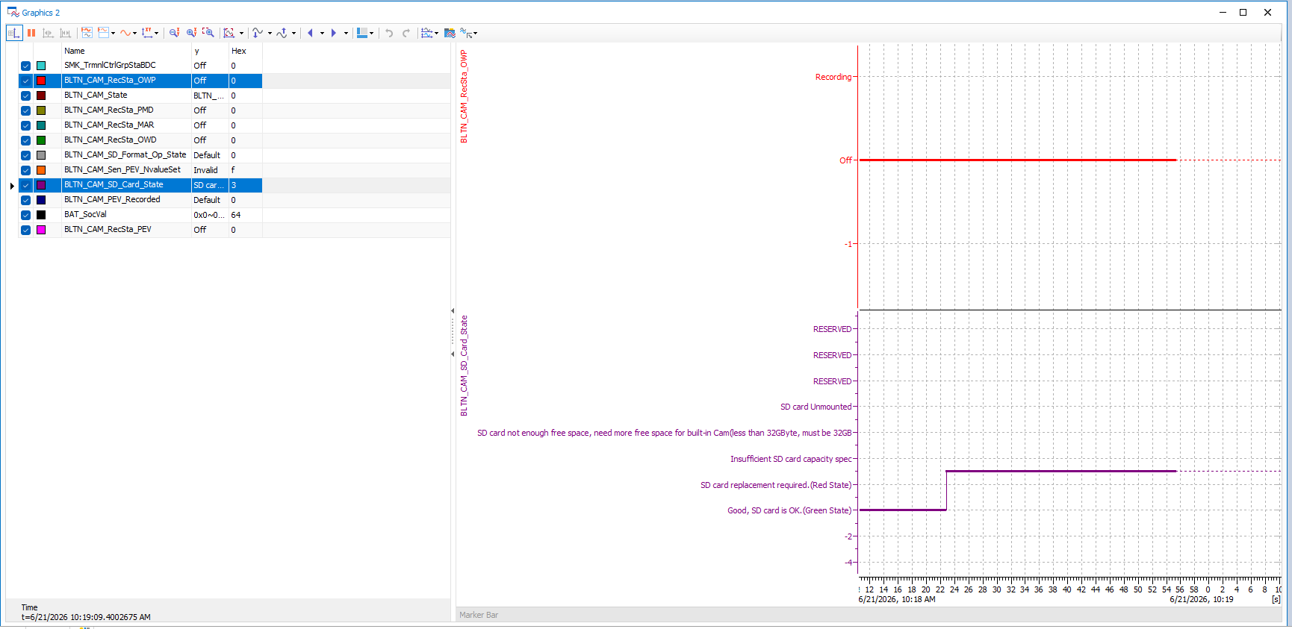 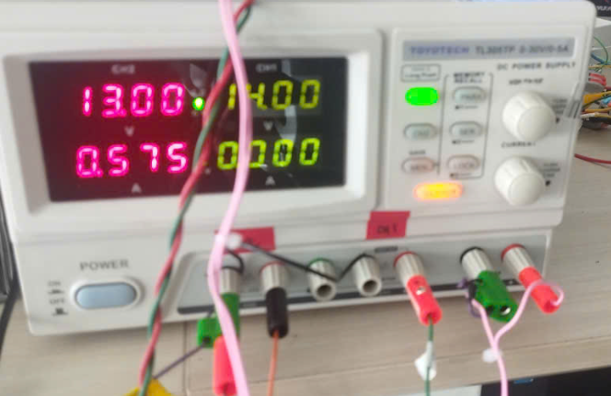
 |  | 2 |  | Insert SD card to start parking recording | 12 V | B+ | ↑ ▪ Insert SD card | ▪ Start continuous parking recording ▪ BLTN_CAM_PrkOp_Termiate_Info = 0x5 (Park operation started) - for 30 seconds ▪ Enter Sleep (Satisfies the dark current condition of 2mA or less during parking recording) | Pass | #7 |  | 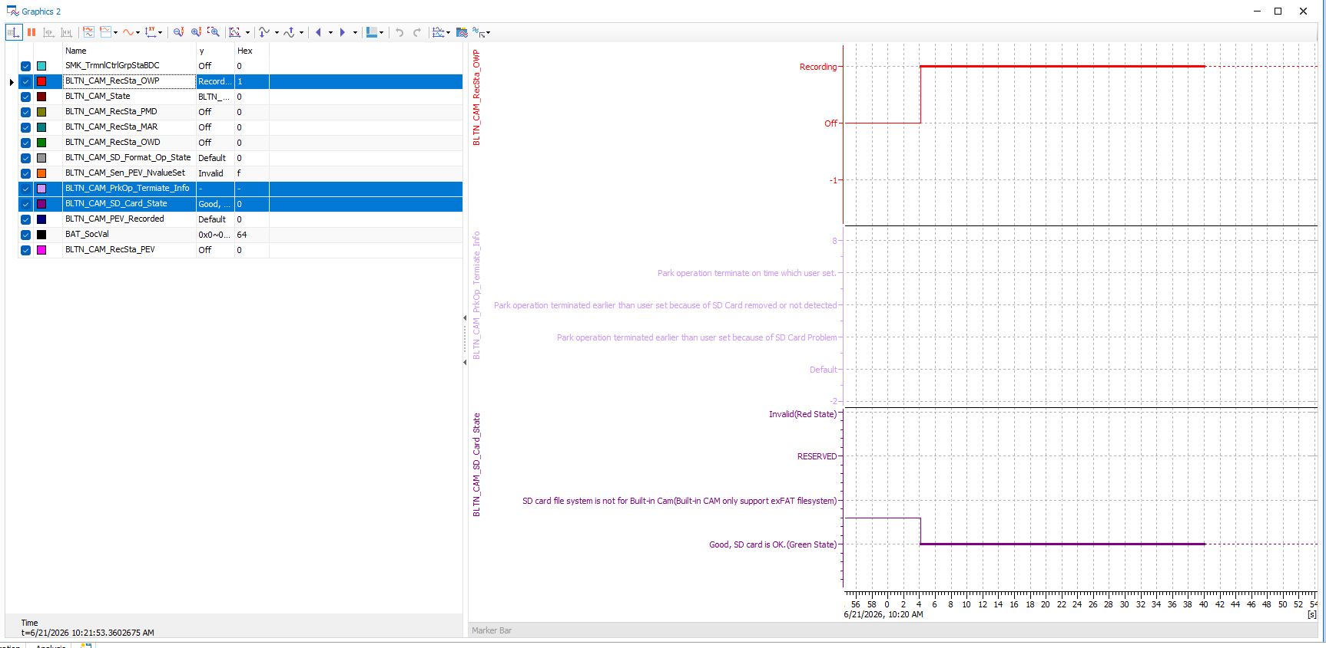 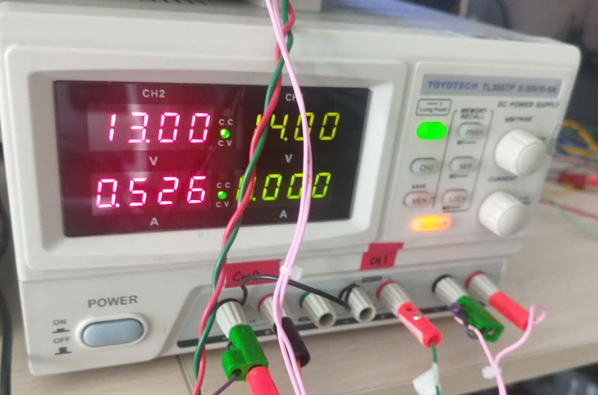 O
 |  | 3 |  | SD card removal during parking recording | 12 V | B+ | ↑ ▪ Remove SD card | ▪ BLTN_CAM_PrkOp_Termiate_Info = 0x4 (Park operation terminated earlier) - for 30 seconds ▪ Enter Sleep (Satisfies the dark current condition of 2mA or less during parking recording) | Pass | #7 |  | 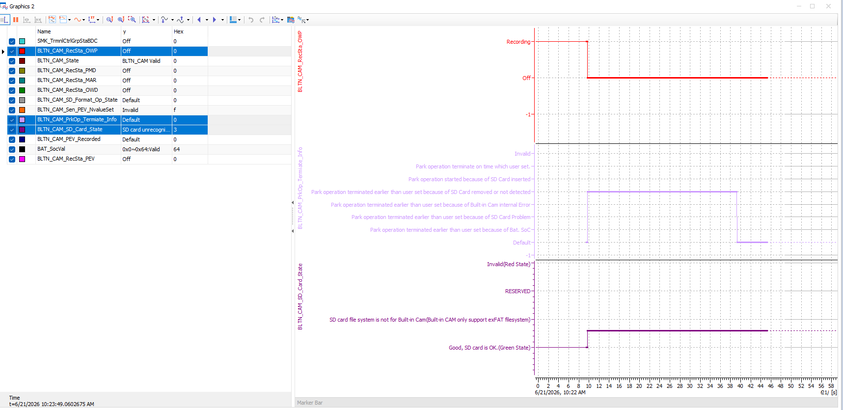 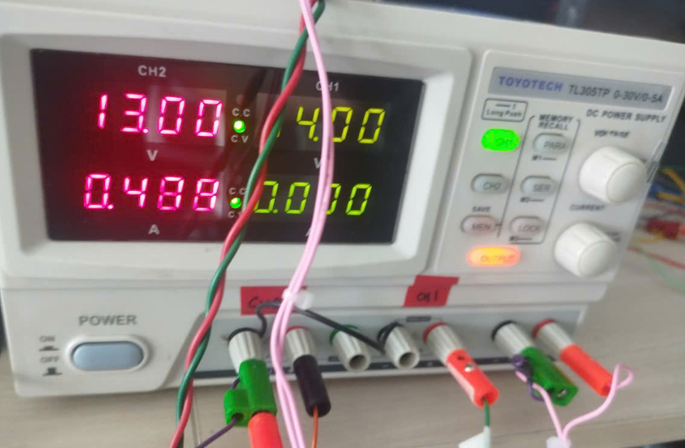 O
 |  | 4 |  | Reinsert SD card during parking recording | 12 V | B+ | Up ▪ Insert SD card (repeat insertion and removal 5 times to confirm) ▪ Wait until Network Sleep is enabled with the card inserted | ▪ Start continuous parking recording upon insertion / Stop upon removal ▪ BLTN_CAM_PrkOp_Termiate_Info = 0x5 (Park operation started) - for 30 seconds = 0x4 (Park operation terminated earlier) - for 30 seconds ▪ Enter Sleep (Satisfies dark current condition of 2mA or less during parking recording) | Pass | #7 |  | 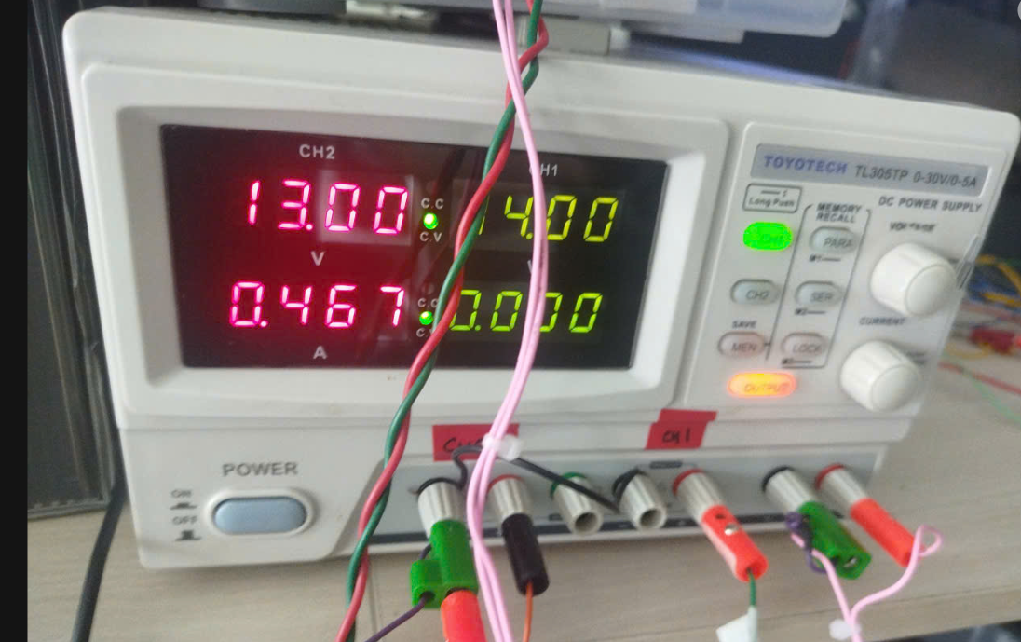 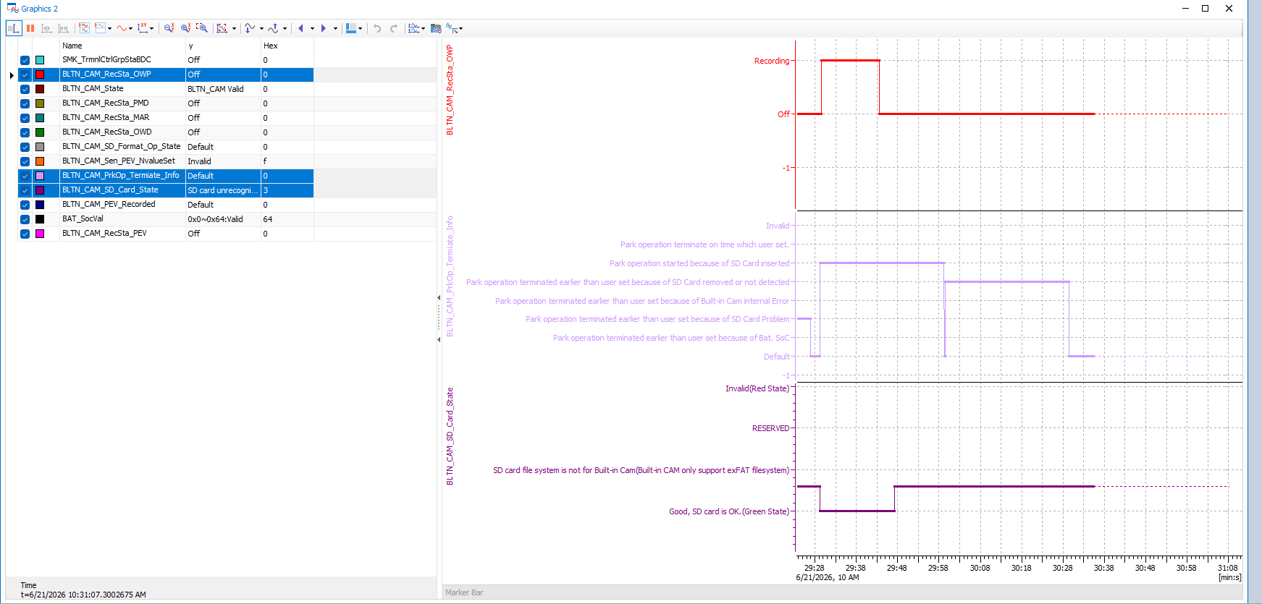 O
 |  | 8 |  | Early termination due to an issue with the SD card memory | 12 V | IGN | ▪ Insert an SD card with a different format during recording | ▪ 0x2:Park operation terminated earlier than user set because of SD Card Problem | Pass | #7
 |  | 9 |  | Early termination due to internal built-in cam failure | 12 V | IGN | ▪ Start parking recording after turning KEY OFF ▪ Enter Sleep mode after disconnecting the LIN cable while Network Alive | ▪ 0x3:Park operation terminated earlier than user set because of Built-in Cam internal Error
 |  | 3 |  | KEY ON while transmitting impact video | 12V | B+ | ▪Parking Continuous Recording Setting On, Event Notification Setting On ▪Enter Parking Continuous Recording after KEY OFF - Before Park ▪Impact detected ▪Turn KEY ON after approximately 1 minute | (Actual Vehicle) ▪ Successful transmission of the relevant impact recording video
 |  | 4 |  |  | 12V | B+ | ▪Enter continuous parking recording after turning KEY OFF ▪Confirm Sleep mode entry - Next Park ▪Impact detected ▪Turn KEY ON after approximately 1 minute | (Actual Vehicle) ▪ Successful transmission of the relevant impact recording video
Verification of the impact of changes in the timing at which information in recording files for CCS transmission is populated | CCS_019 | 1 | Confirmation of CCU Impact - Reflected starting from SV1 regularization in May | Check file information at the time parking recording is completed | 12V | B+ | ▪Parking Continuous Recording Setting On, Event Notification Setting On ▪Enter Parking Continuous Recording after KEY OFF ▪Confirm Sleep Entry ▪Impact Detected ▪Confirm Impact Video Transmission | (Actual Vehicle) After CCS operation is complete, verify consistency of front/rear file names, sizes, etc. in the files ▪ Verify front/rear video dates (corresponding date and time) ▪ Verify front/rear video sizes (1.5 Mbyte or less)
 |  | 2 |  | Check file information at the time of parking recording completion (continuous) | 13V | B+ | ▪↑ ▪ Re-apply shock 1 minute after the initial shock ▪ After transmission is complete, maintain BLTN_CAM_PEV_Recorded = 0x0 for 1 second ▪ Then transition back to BLTN_CAM_PEV_Recorded = 0x2 ▪ Repeat this process 4 times (total 5 shocks) | (Actual Vehicle) After CCS operation is complete, verify consistency of front and rear file names, sizes, etc. in the files ▪ Verify the date of each front and rear video (corresponding date and time) ▪ Verify the size of each front and rear video (1.6 Mbyte or less)
Verification of the impact of disabling notification signals in the event of parking impact recording failure after wake-up | CCS_020 | 1 | Check Recording Failure Conditions - Applied starting from the May SV1 update | Apply impact after removing the SD card following entry into parking recording | 12V | B+ | ▪Parking Continuous Recording Setting On, Event Notification Setting On ▪Enter Parking Continuous Recording after KEY OFF - Before Park ▪Remove SD card within 2 seconds ▪Impact applied | (Actual Vehicle) ▪ No impact notification sent ▪ Enters Sleep (Satisfies dark current condition of 2mA or less during parking recording)
 |  | 2 |  |  | 12V | B+ | ▪Parking Continuous Recording Setting On, Event Notification Setting On ▪KEY OFF ▪Enter Sleep mode, then enter Parking Continuous Recording ▪Remove SD card within 2 seconds ▪Apply impact | (Actual Vehicle) ▪ No impact notification sent ▪ Enters Sleep (Satisfies dark current condition of 2mA or less during parking recording)
 |  | 3 |  | When removing the SD card after CAN Wake Up | 12V | B+ | ▪Parking Continuous Recording Setting On, Event Notification Setting On ▪KEY OFF ▪Enter Parking Continuous Recording after Sleep ▪Impact Received ▪SD Card Removed 15 seconds after CAN Wake Up : SOME/IP Communication Timing After CCU Boot | (Actual Vehicle) ▪ Video will not be transmitted (Text notifications may be sent depending on the timing) ▪ Enter Sleep mode (Satisfies the dark current condition of 2mA or less during parking recording)
 |  | 4 |  |  | 12V | B+ | ▪↑ ▪Reinsert SD card | (Actual Vehicle) ▪ Resume Parking Recording ▪ Enter Sleep (Satisfies dark current condition of 2mA or less during parking recording)
 |  | 5 |  |  | 12V | B+ | ▪↑ ▪Impact after entering Sleep | ▪BLTN_CAM_PEV_Recorded = 0x2 ▪Confirmation of successful impact video transmission
 |  | 6 |  |  | 12V | B+ |  | ▪ Enters Sleep after transmitting impact video (satisfies dark current condition of 2mA or less during parking recording)
 |  | 8 |  |  | 12V | B+ | ▪↑ ▪ Enter Built-in Cam Mode after KEY ON ▪ Confirm creation of video files for continuous recording while parked and events while parked | ▪ Create continuous recording files while parked ▪ Create event recording files while parked | Pass | #7
 |  | 10 |  |  | 12V | B+ | ▪↑ ▪ Enter Built-in Cam Mode after KEY ON ▪ Confirm creation of video files for continuous recording while parked and events while parked | ▪ Confirmed that only 1 continuous parking recording file and 1 parking impact event were generated. | Pass | #7 |  | 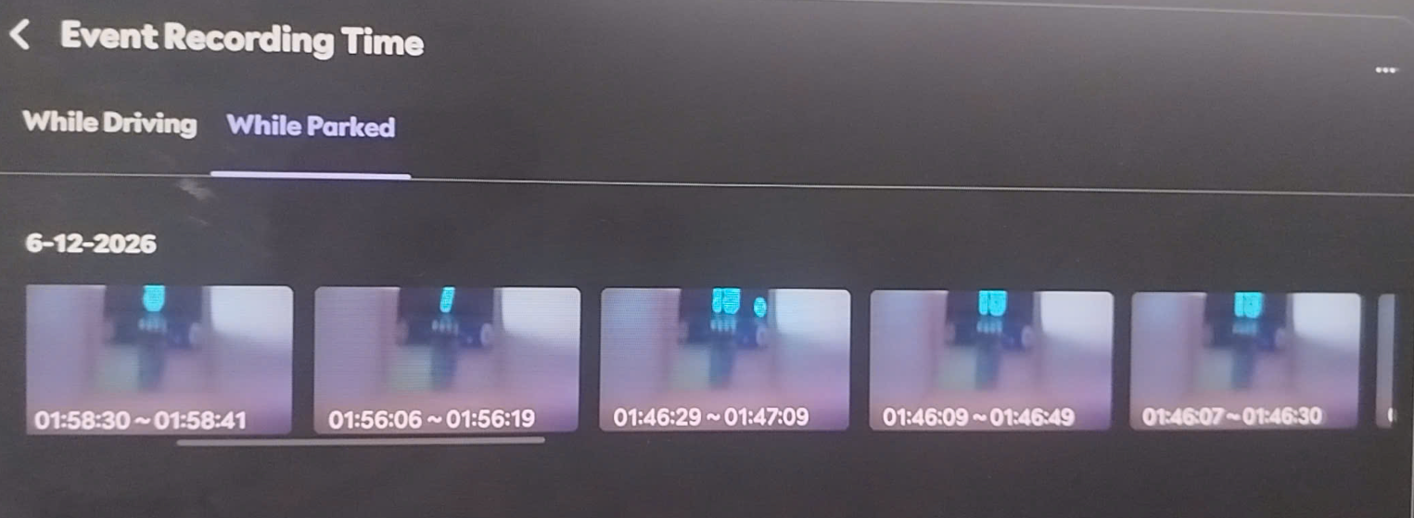
 |  | 11 |  | When downloading a link while waking up | 12V | B+ | ▪Parking Continuous Recording Setting On, Event Notification Setting On ▪Enter Parking Continuous Recording after KEY OFF ▪Confirm Sleep Entry ▪Impact Detected ▪CAN Wake Up ▪Eth Link Down | (Actual Vehicle) ▪Confirmation of video transmission failure
 |  | 12 |  | Internal failure | 12V | B+ | ▪Parking Continuous Recording Setting On, Event Notification Setting On ▪Enter Parking Continuous Recording after KEY OFF ▪Confirm Sleep Entry ▪Impact Received ▪CAN Wake Up ▪Built-in Cam Internal Malfunction ※ Requires verification of how to trigger the internal malfunction error | ▪Verification of video transmission failure ▪Continuous recording file not generated while parked ▪Event recording file not generated while parked
 |  | 13 |  | Insert non-genuine SD card | 12V | B+ | ▪Parking Continuous Recording Setting On, Event Notification Setting On ▪Enter Parking Continuous Recording after KEY OFF ▪Impact Detected | ▪ Within 5 seconds of impact application ▪ BLTN_CAM_RecSta_PEV = 0x1 ▪ BLTN_CAM_PEV_Recorded = 0x2 ▪ BLTN_CAM_PEV_Count = Increase by 0x1 | Pass | #7 |  | 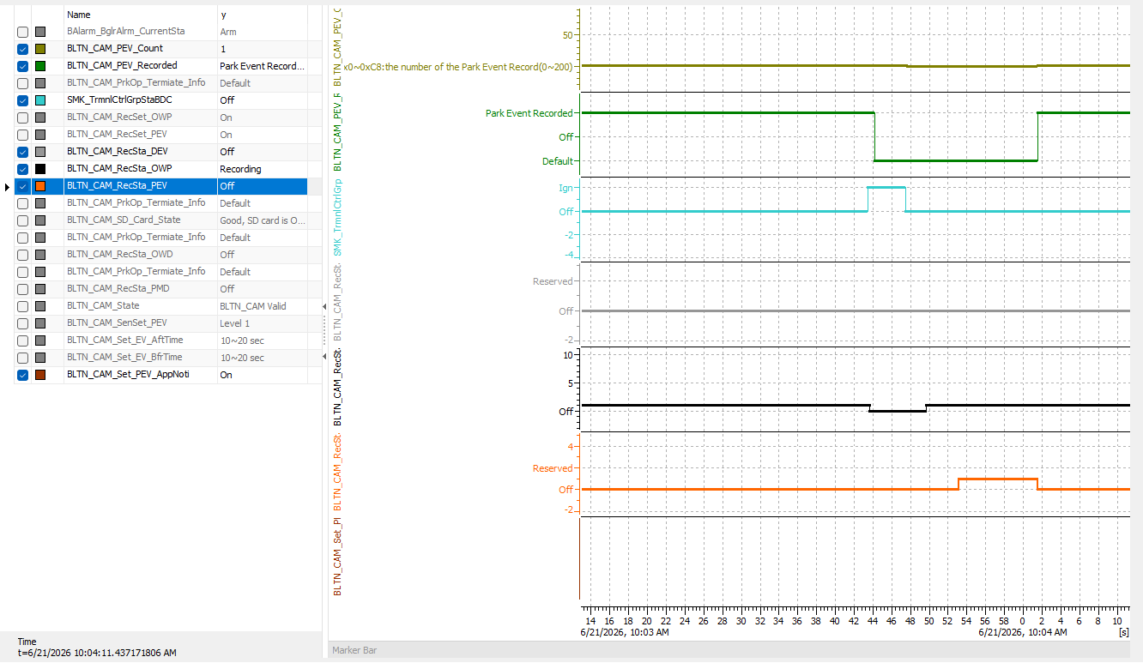
 |  | 14 |  |  | 12V | B+ | ▪↑ ▪Wait for transition to BLTN_CAM_PEV_Recorded = 0x0 | ▪Time Out after 5 minutes with BLTN_CAM_PEV_Recorded = 0x0 (Single unit) ▪BLTN_CAM_PEV_Recorded = 0x0 after video transmission is complete (Actual vehicle)
 |  | 15 |  | Change in voltage conditions | 12V | B+ | ▪ Start Parking Recording, Enter Network Sleep ▪ Auxiliary Battery Power Input: 12V → 6V (eAGM specification uses B+ voltage) (Condition: High voltage interruption during parking recording is impossible) ▪ Impact applied | ▪ Stop parking recording (6.5V or lower) ▪ Do not perform impact recording
Confirmation of impact when shock is applied during OTA | CCS_021 | 1 | [Update] : When shock recording occurs during the update | Is shock recording enabled during BG update? | 12V | B+ | ▪USB update in progress (immediately after BG update starts) ▪KEY OFF ▪Balarm_BglrAlrmCurrentSta = 0x2(Arm) ▪Impact applied | ▪BLTN_CAM_RecSta_PEV = 0x1 ▪BLTN_CAM_PEV_Recorded = 0x2 ▪USB update will not be interrupted |  |  | HU_OTA 차종
 |  | 2 |  |  | 12V | B+ | ▪USB Update in Progress (Later part of BG Update) - Verify via Real-time Log (Before Boot Sector SWAP) ▪KEY OFF ▪Balarm_BglrAlrmCurrentSta = 0x2(Arm) ▪Impact Applied | ▪BLTN_CAM_RecSta_PEV = 0x1 ▪BLTN_CAM_PEV_Recorded = 0x2 ▪USB update will not be interrupted |  |  | HU_OTA 차종
 |  | 3 |  | Enable shock recording during FG update | 12V | B+ | ▪ Verify that the "Update in progress" message is displayed when KEY OFF after BG is complete ▪ KEY OFF ▪ Balarm_BglrAlrmCurrentSta = 0x2(Arm) ▪ Impact detected ▪ Touch "Install Now" popup | ▪BLTN_CAM_RecSta_PEV = 0x1 ▪BLTN_CAM_PEV_Recorded = 0x2 ▪USB update will not be interrupted |  |  | HU_OTA 차종
 |  | 4 |  |  | 12V | B+ | ▪Check CAN Wake Up during the latter part of FG ▪Apply ICU_BS2SoC = 70% or higher ▪Balarm_BglrAlrmCurrentSta = 0x2(Arm) ▪Apply shock | ▪BLTN_CAM_RecSta_PEV = 0x1 ▪BLTN_CAM_PEV_Recorded = 0x2 ▪USB update will not be interrupted |  |  | HU_OTA 차종

 |  |  |  |  |  |  | cột

